Sheet1
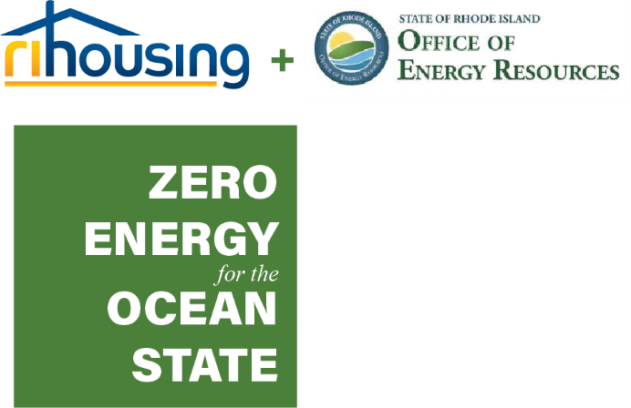 ZEOS PROPOSAL SCORING SHEET

TEAM EXPERIENCE | 20 | Self Score | ZEOS Score (do not fill out) | PROJECT APPROACH & GOALS | 40 | Self Score | ZEOS Score (do not fill out) | BUDGET & USE OF FUNDS | 40 | Self Score | ZEOS Score (do not fill out) | INNOVATIVE TECHNOLOGIES | 10 | Self Score | ZEOS Score (do not fill out)
Evidence of Project Team's technical capacity in High Performance Energy Contracting | 5 |  |  | Replicable/Scalable. Is the overall process, approach & results a system that can be used widely by others with similar positive effect? | 5 |  |  | Readiness to Proceed; Provide proof of commitment letters from all funding sources | 10 |  |  | Energy Storage | 1
Proof of Track Record of Success with: (Energy Efficiency, ASHP, Integrated Controls, Solar PV) | 4 |  |  | Affordable 60-120% AMI (60% or below full 8 pts) | 5 |  |  | Leveraging of Funds to minimize ZEOS request. Ratio of Total Request/# of Units Effected | 5 |  |  | EV Charging Infrastructure | 1
Proven Record of creating Low & Moderate Income Housing | 2 |  |  | Development of Plans & Specifications (Schematic 2 pts, 50% 4 pts, 90% 6 pts, 100% 8 pts) | 8 |  |  | Fees in line with RIH guidelines, developer fees, overhead and profit, general conditions | 5 |  |  | Energy Management Systems or Smart Controls | 1
Demonstrate Capacity within Organization to manage proposed project | 3 |  |  | Clear Timeline - Readiness to Proceed (Permit in hand eligible for full 10 pts, Master Plan 2 pts, Preliminary Plan 2 pts, Final Plan or Zoning by Right 4 pts) | 10 |  |  | Integration of existing energy efficiency & renewable energy programs & incentives (solar REG incentives are not eligible) | 5 |  |  | Demand Response Program Participation and Expected Revenues | 4
MBE/WBE Minority Status | 2 |  |  | Exceeds Tier 2 (26% savings) | 5 |  |  | Cost Benefit Analysis of energy efficiency and solar capacity | 5 |  |  | Use of Stretch Code | 1
Proven Commitment to Affirmative Action | 2 |  |  | Demonstrates pass through savings to occupants | 3 |  |  | Cost Effective, Durable and Long Lasting Design | 4 |  |  | Other Energy Sources besides Solar and Resource Saving Equipment | 1
Advanced Certifications and licenses (LEED, PHIUS, etc) | 2 |  |  | Extra Consideration: Walkability Metric (1 pt 40-60, 2 pt 60+ score) walkscore.com | 2 |  |  | Total Development Cost/Unit (at or below RIH Guidelines) | 3 |  |  | Green Site Design (bioswales, green infrastructure, building orientation, preserving of open space, clustering of buildings) | 1
 |  |  |  | HERS Energy Modeling of Design | 2 |  |  | Efficient ongoing maintenance cost | 3
 |  |  |  |  |  |  |  |  |  |  |  |  |  |  |  |  | Self Score | ZEOS Score
 | 20 | 0 | 0 |  | 40 | 0 | 0 |  | 40 | 0 | 0 |  | 10 | 0 | 0 | 110 | 0 | 0

